Q6
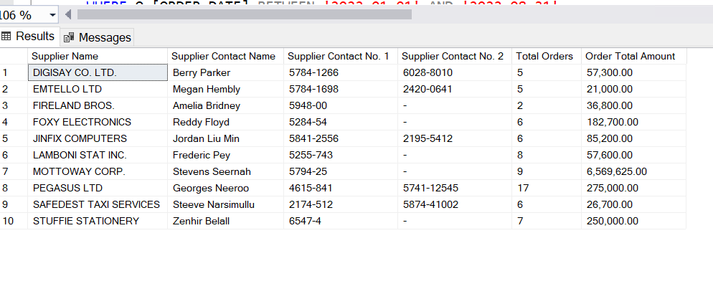
SELECT A.[SUPPLIER_NAME] [Supplier Name],A.[SUPP_CONTACT_NAME] [Supplier Contact Name]
,SUBSTRING(REPLACE(SUBSTRING(A.[SUPP_CONTACT_NUMBER],CHARINDEX(',',A.[SUPP_CONTACT_NUMBER]),LEN(A.[SUPP_CONTACT_NUMBER])),', ',''),1,4)+'-'+SUBSTRING(REPLACE(SUBSTRING(A.[SUPP_CONTACT_NUMBER],CHARINDEX(',',A.[SUPP_CONTACT_NUMBER]),LEN(A.[SUPP_CONTACT_NUMBER])),', ',''),5,LEN(REPLACE(SUBSTRING(A.[SUPP_CONTACT_NUMBER],CHARINDEX(',',A.[SUPP_CONTACT_NUMBER]),LEN(A.[SUPP_CONTACT_NUMBER])),', ',''))) [Supplier Contact No. 1]
,SUBSTRING(SUBSTRING(A.[SUPP_CONTACT_NUMBER],0,CHARINDEX(',',A.[SUPP_CONTACT_NUMBER])),1,4)+'-'+ SUBSTRING(SUBSTRING(A.[SUPP_CONTACT_NUMBER],0,CHARINDEX(',',A.[SUPP_CONTACT_NUMBER])),4,LEN(SUBSTRING(A.[SUPP_CONTACT_NUMBER],0,CHARINDEX(',',A.[SUPP_CONTACT_NUMBER])))) [Supplier Contact No. 2]
,COUNT(*) [Total Orders]
 | , Format(SUM([ORDER_TOTAL_AMOUNT]), '##,##0.00') [Order Total Amount ]
 | FROM (
 | SELECT [SUPPLIER_NAME],[SUPP_CONTACT_NAME],[SUPP_ADDRESS]
,STRING_AGG([SUPP_CONTACT_NUMBER], ', ') [SUPP_CONTACT_NUMBER]
 | ,[SUPP_EMAIL]
FROM [MSBI].[dbo].[Supplier] S
GROUP BY [SUPPLIER_NAME]
,[SUPP_CONTACT_NAME]
,[SUPP_ADDRESS]
,[SUPP_EMAIL]
 | ) A INNER JOIN [dbo].[Orders] O ON A.[SUPPLIER_NAME]=O.[SUPPLIER_NAME]
 | WHERE O.[ORDER_DATE] BETWEEN '2022-01-01' AND '2022-08-31'
 | GROUP BY A.[SUPPLIER_NAME]
,A.[SUPP_CONTACT_NAME]
,A.[SUPP_ADDRESS]
,A.[SUPP_CONTACT_NUMBER]
,A.[SUPP_EMAIL]

